System Test Cases
Project Name: |  |  |  | Prepared By |  |  |  |  | Reviewed By
Project ID: |  |  |  | Prepared Date |  |  |  |  | Reviewed Date
Test Type: | Systems Integration Test

CR No | Description |  |  | PASS | FAIL | N/A | NOT STARTED | TOTAL | % PROGRESS

 |  |  |  |  |  |  |  | (Pass/Fail/NA/Not Started)
S.No | Test Scenarios | Module Name | Application Version No. | Build No. | Application URL | Pre-Condition | Defect Id | Test Case ID | Test Case Iterations | Test | Test Description | Test Steps | Test Data | Expected Result | Actual Result | Test Status | UI/Functionality | Tested by | Date of execution | Comments
1 | MHM should display a landing page containing Aircraft status icon. | Login | 5.2 | 5.2 | https://mhmessenger.malaysiaairlines.com/mhmessenger/ |  |  | 1 | 1 | Login functionality test | Login functionality test | User needs to enter username and password in Mobile app. | Staffid ********* | User should be able see Landing page in mobile | 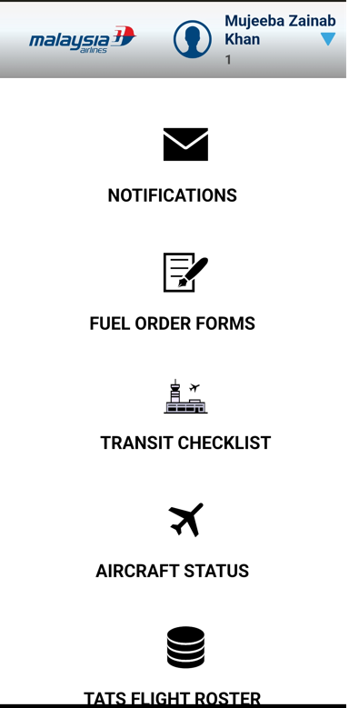 | PASS | Y | Mujeeba Zainab Khan | 2022-06-01 | NONE

